Carry Over (stable scrum)
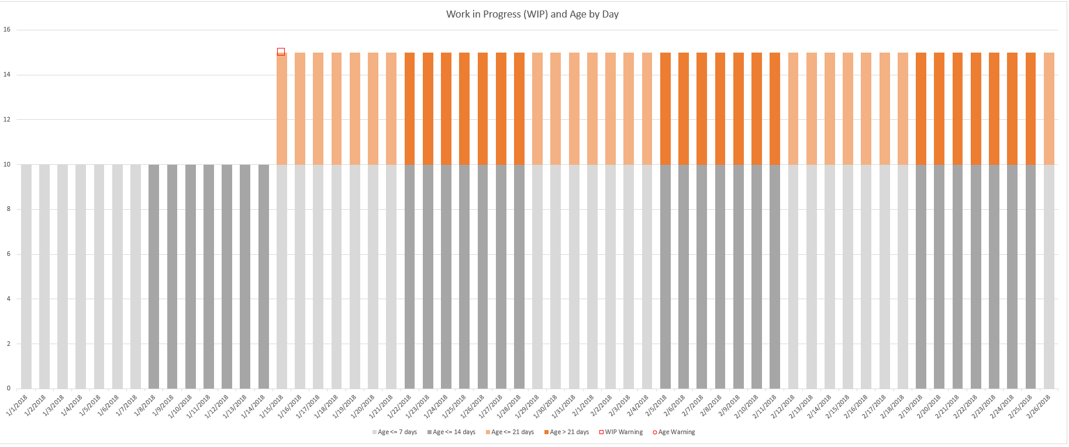
Completed | Started
2018-01-14 | 2018-01-01
2018-01-14 | 2018-01-01
2018-01-14 | 2018-01-01
2018-01-14 | 2018-01-01
2018-01-14 | 2018-01-01
2018-01-28 | 2018-01-01
2018-01-28 | 2018-01-01
2018-01-28 | 2018-01-01
2018-01-28 | 2018-01-01
2018-01-28 | 2018-01-01
2018-01-28 | 2018-01-15
2018-01-28 | 2018-01-15
2018-01-28 | 2018-01-15
2018-01-28 | 2018-01-15
2018-01-28 | 2018-01-15
2018-02-11 | 2018-01-15
2018-02-11 | 2018-01-15
2018-02-11 | 2018-01-15
2018-02-11 | 2018-01-15
2018-02-11 | 2018-01-15
2018-02-11 | 2018-01-29
2018-02-11 | 2018-01-29
2018-02-11 | 2018-01-29
2018-02-11 | 2018-01-29
2018-02-11 | 2018-01-29
2018-02-25 | 2018-01-29
2018-02-25 | 2018-01-29
2018-02-25 | 2018-01-29
2018-02-25 | 2018-01-29
2018-02-25 | 2018-01-29
2018-02-25 | 2018-02-12
2018-02-25 | 2018-02-12
2018-02-25 | 2018-02-12
In this example, team is doing 2 wek sprints (14 calendar days). They start 10 NEW items each sprint, but only finish 5 new and 5 rolled over items. They are keeping up, but consistently taking on double what they should to complete all work in one sprint.
The teams flow is STABLE, but needs to plan starting fewer things to reduce cycle time average further. Coaching advice: Limit next sprint to 5 new items and complete EVERYTHING, then increase over time. If a pace of 10 items is needed, then this team needs more capacity.
2018-02-25 | 2018-02-12
2018-02-25 | 2018-02-12
 | 2018-02-12
 | 2018-02-12
 | 2018-02-12
 | 2018-02-12
 | 2018-02-12
 | 2018-02-26
 | 2018-02-26
 | 2018-02-26
 | 2018-02-26
 | 2018-02-26
 | 2018-02-26
 | 2018-02-26
 | 2018-02-26
 | 2018-02-26
 | 2018-02-26

Carry Over (unstable scrum)
Completed | Started
2018-01-14 | 2018-01-01
2018-01-14 | 2018-01-01
2018-01-14 | 2018-01-01 | show wip growing and some being abandoned
2018-01-14 | 2018-01-01
2018-01-14 | 2018-01-01 | show kanban team
2018-01-28 | 2018-01-01
2018-01-28 | 2018-01-01 | show team with large blockers
2018-01-28 | 2018-01-01
2018-01-28 | 2018-01-01 | support team with WIP explosion
2018-01-28 | 2018-01-01
2018-01-28 | 2018-01-15 | cost of expedites or prioritizaion
2018-01-28 | 2018-01-15
2018-01-28 | 2018-01-15 | show un-planned work
2018-01-28 | 2018-01-15
2018-01-28 | 2018-01-15
2018-02-11 | 2018-01-15
2018-02-11 | 2018-01-15
2018-02-11 | 2018-01-15
2018-02-11 | 2018-01-15
2018-02-11 | 2018-01-15
2018-02-11 | 2018-01-29
2018-02-11 | 2018-01-29
2018-02-11 | 2018-01-29
2018-02-11 | 2018-01-29
2018-02-11 | 2018-01-29
2018-02-25 | 2018-01-29
2018-02-25 | 2018-01-29
2018-02-25 | 2018-01-29
2018-02-25 | 2018-01-29
In this example, team is doing 2 wek sprints (14 calendar days). They start 10 NEW items each sprint, but only finish 5 new and 5 rolled over items. They are keeping up, but consistently taking on double what they should to complete all work in one sprint.
The teams flow is STABLE, but needs to plan starting fewer things to reduce cycle time average further. Coaching advice: Limit next sprint to 5 new items and complete EVERYTHING, then increase over time. If a pace of 10 items is needed, then this team needs more capacity.
2018-02-25 | 2018-01-29
2018-02-25 | 2018-02-12
2018-02-25 | 2018-02-12
2018-02-25 | 2018-02-12
2018-02-25 | 2018-02-12
2018-02-25 | 2018-02-12
 | 2018-02-12
 | 2018-02-12
 | 2018-02-12
 | 2018-02-12
 | 2018-02-12
 | 2018-02-26
 | 2018-02-26
 | 2018-02-26
 | 2018-02-26
 | 2018-02-26
 | 2018-02-26
 | 2018-02-26
 | 2018-02-26
 | 2018-02-26
 | 2018-02-26

